Strategy Analysis
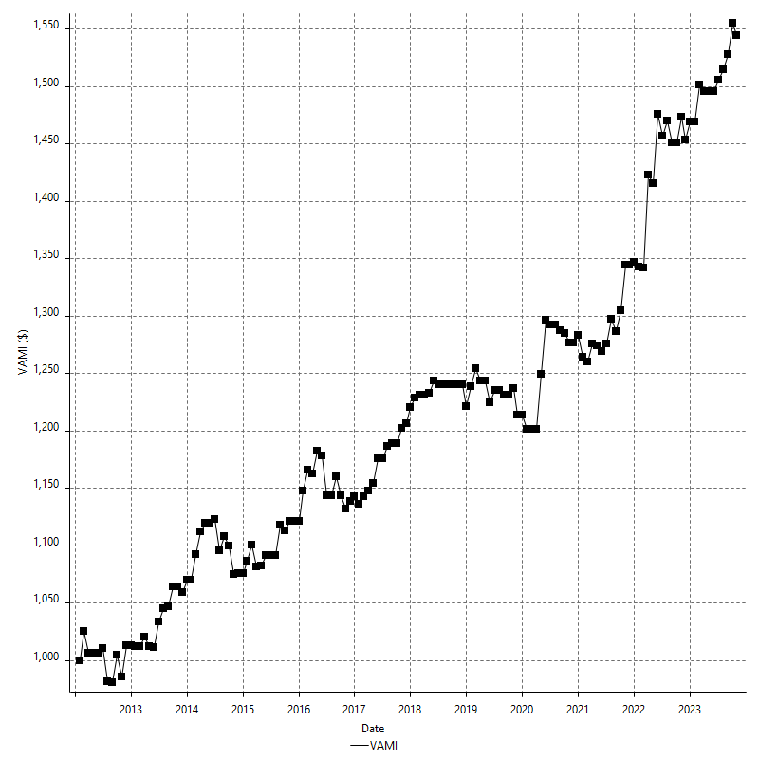
Strategy Performance Summary

 | All Trades | Long Trades | Short Trades
Net Profit | $52570.00 | $52570.00 | n/a
Gross Profit | $128140.00 | $128140.00 | n/a
Gross Loss | -$75570.00 | -$75570.00 | n/a
Adjusted Net Profit | $32475.81 | $32475.81 | n/a
Adjusted Gross Profit | $116442.47 | $116442.47 | n/a
Adjusted Gross Loss | -$83966.67 | -$83966.67 | n/a
Select Net Profit | $34610.00 | $34610.00 | n/a
Select Gross Profit | $110180.00 | $110180.00 | n/a
Select Gross Loss | -$75570.00 | -$75570.00 | n/a
Account Size Required | $5890.00 | $5890.00 | n/a
Return on Account | 892.53% | 892.53% | n/a
Return on Initial Capital | 52.57% | 52.57% | n/a
Max Strategy Drawdown | -$7350.00 | -$7350.00 | n/a
Max Strategy Drawdown (%) | -6.49% | -6.49% | n/a
Max Close To Close Drawdown | -$5890.00 | -$5890.00 | n/a
Max Close To Close Drawdown (%) | -5.24% | -5.24% | n/a
Return on Max Strategy Drawdown | 7.1523809524 | 7.1523809524 | n/a
Profit Factor | 1.6956464205 | 1.6956464205 | n/a
Adjusted Profit Factor | 1.3867702094 | 1.3867702094 | n/a
Select Profit Factor | 1.4579859733 | 1.4579859733 | n/a
Max # Contracts Held | 1 | 1 | 0
Slippage Paid | $0.00 | $0.00 | $0.00
Commission Paid | $0.00 | $0.00 | n/a
Open Position P/L | n/a | n/a | n/a
Annual Rate of Return | 4.43% | 4.43% | n/a
Monthly Rate of Return | 0.37% | 0.37% | n/a
Buy & Hold Return | -$32375.53 | -$32375.53 | n/a
Avg Monthly Return | $370.21 | $370.21 | $370.21
Monthly Return StdDev | $1613.01 | $1613.01 | $1613.01
Total # of Trades | 203 | 203 | 0
% Profitable | 59.11% | 59.11% | 0.00%

Performance Ratios

Upside Potential Ratio | 92.403741524
Sharpe Ratio | 0.10628956045
Annualized Sharpe Ratio | 0.36819783803
Sortino Ratio | 0.19011728295
Fouse Ratio | 0.0029022970192
Calmar Ratio | 0.078909853249
Sterling Ratio | 0.0019930447048
RINA Index | 988.33132094
Net Profit as % of Largest loss | 2655.05%
Net Profit as % of Max Trade Drawdown | 2655.05%
Net Profit as % of Max Strategy Drawdown | 715.24%
Select Net Profit as % of Largest loss | 1747.98%
Select Net Profit as % of Max Trade Drawdown | 1747.98%
Select Net Profit as % of Max Strategy Drawdown | 470.88%
Adj Net Profit as % of Largest loss | 1640.19%
Adj Net Profit as % of Max Trade Drawdown | 1640.19%
Adj Net Profit as % of Max Strategy Drawdown | 441.85%

Time Analysis

Trading Period | 11 Yrs, 10 Mths, 26 Dys, 7 Hrs, 30 Mins
Time in the Market | 6 Mths, 9 Dys, 16 Hrs, 45 Mins
Percent in the Market | 4.38%
Longest flat period | 3 Mths, 28 Dys, 1 Hr, 30 Mins
Max Run-up Date | 2022-03-04
Max Drawdown Date | 2022-11-27
Max Strategy Drawdown Date | 1/2/15
Max Close To Close Drawdown Date | 1/2/15

Equity Curve Detailed

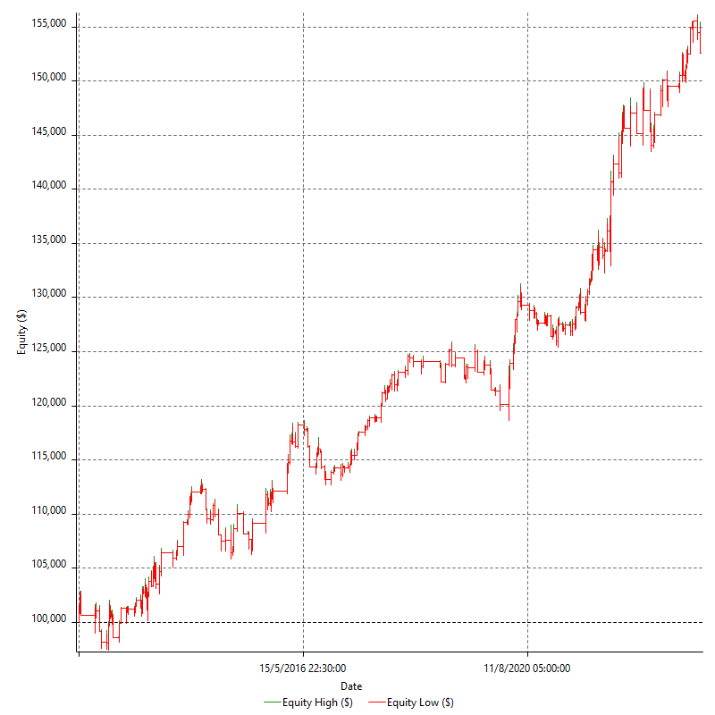

Equity Curve Detailed with DrawDown

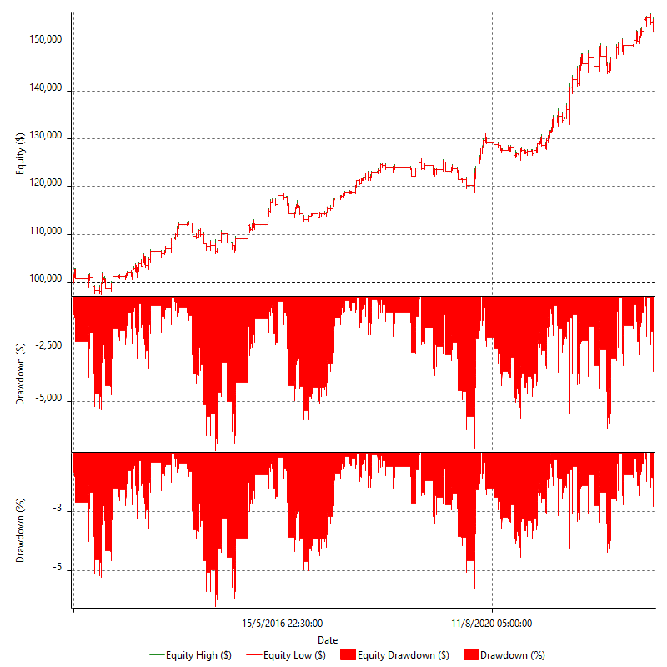

Equity Curve Detailed Long

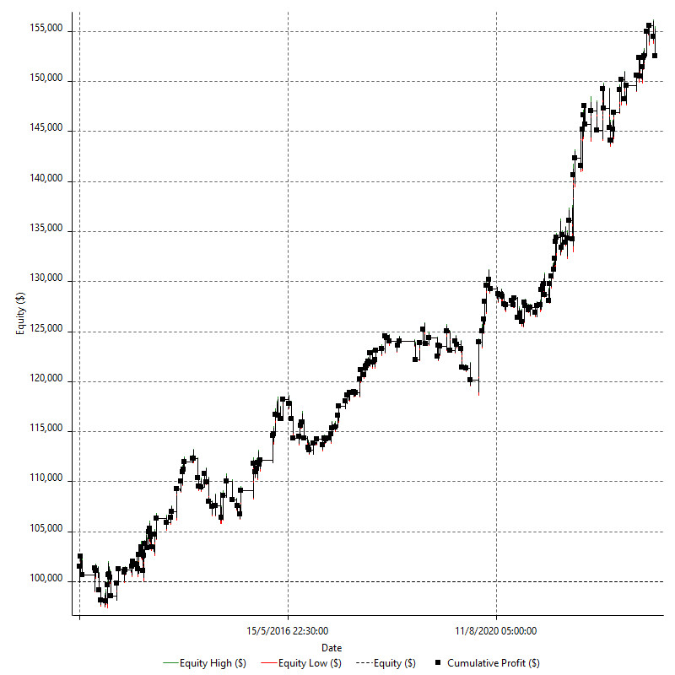

Equity Curve Detailed Short

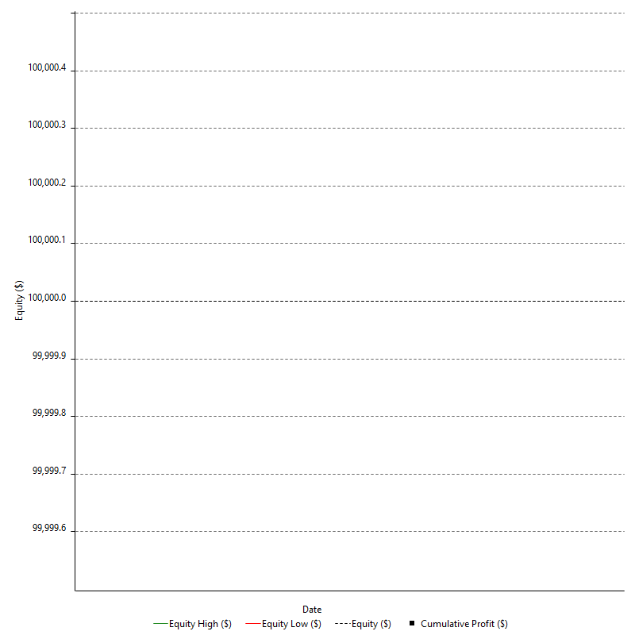

Equity Run-up & Drawdown

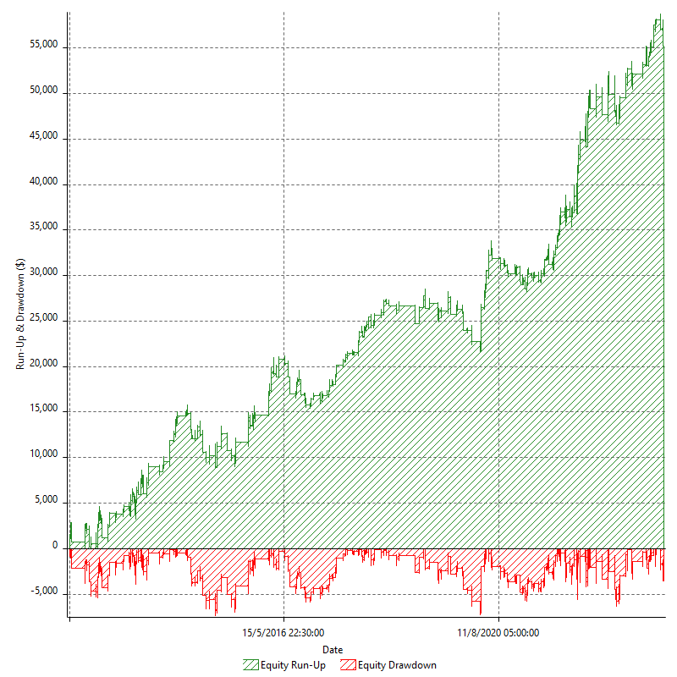

Equity Run-up & Drawdown (%)

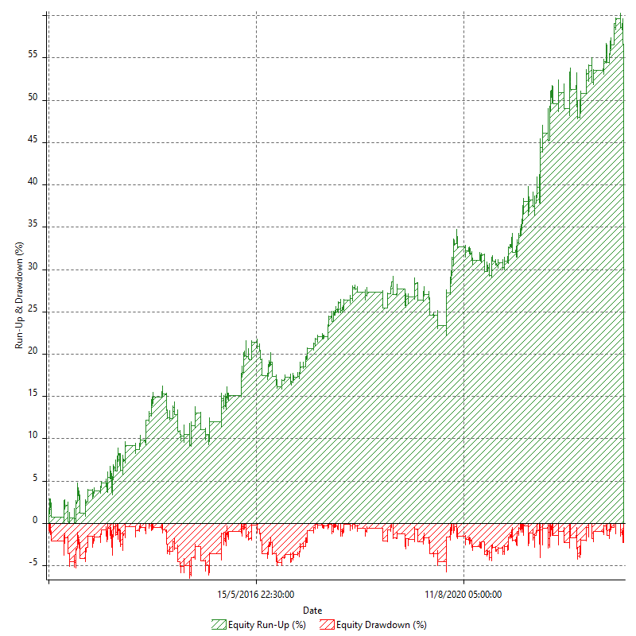

Equity Curve Close To Close

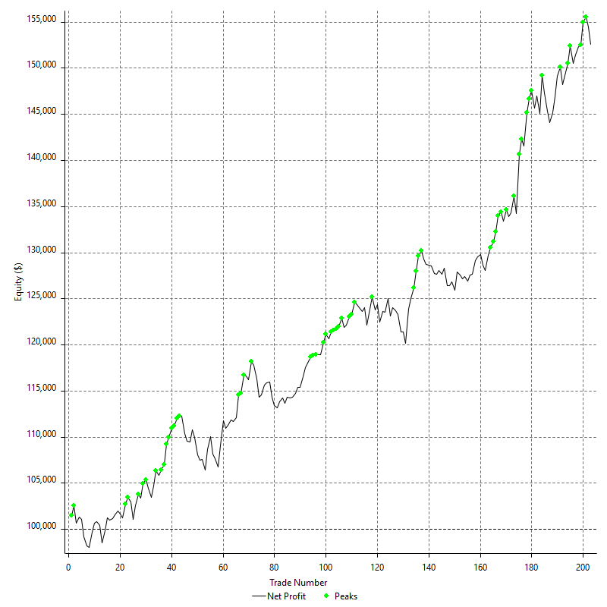

Equity Curve Close To Close With Drawdown

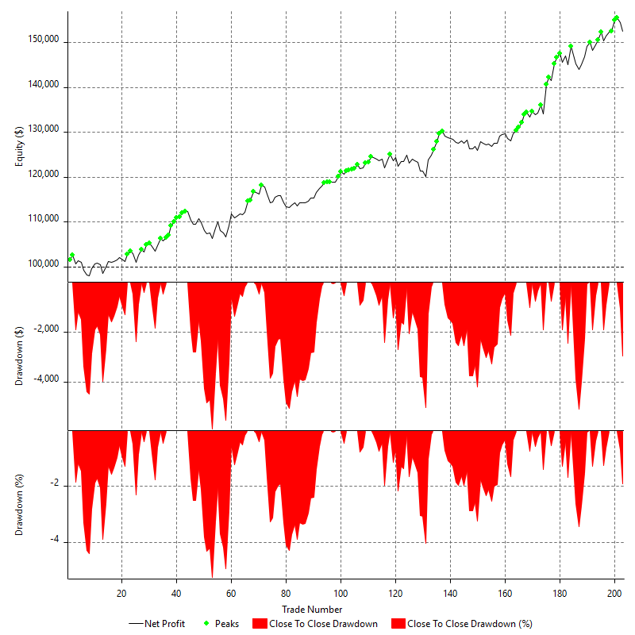

Buy & Hold Return

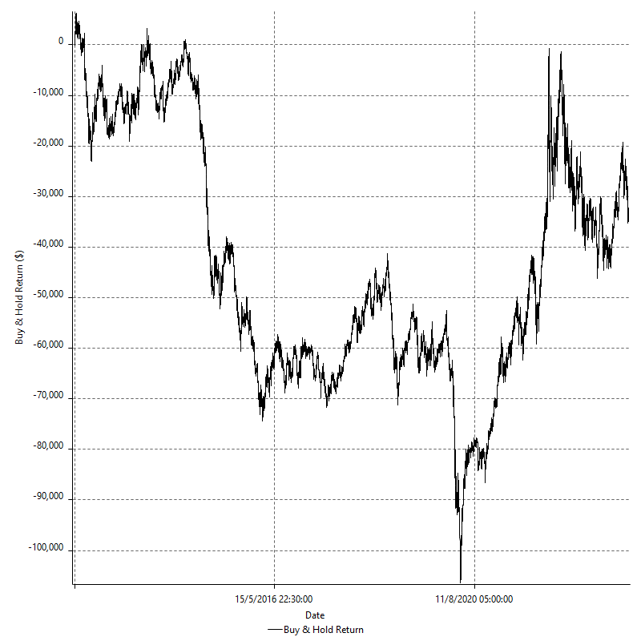

Value Added Monthly Index

Trade Analysis
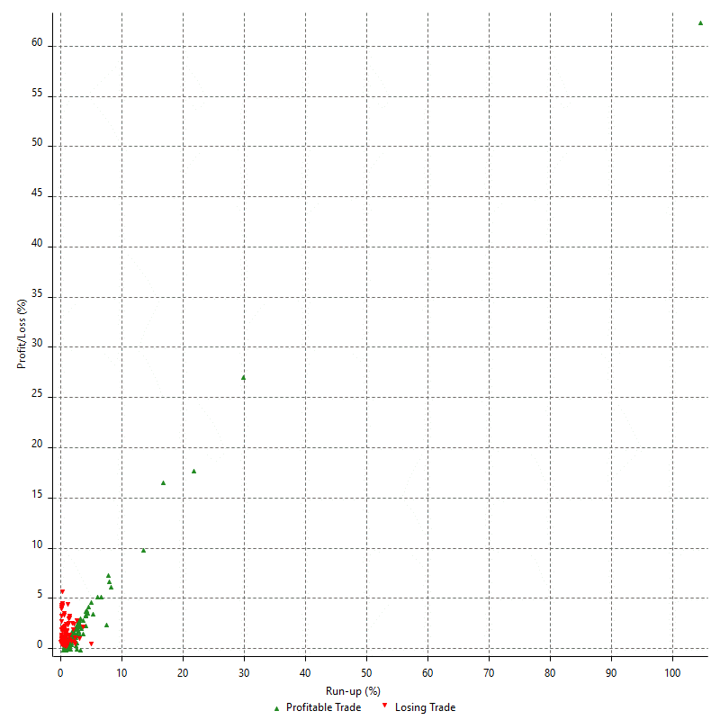
Total Trade Analysis

 | All Trades | Long Trades | Short Trades
Total # of Trades | 203 | 203 | 0
Total # of Open Trades | 0 | 0 | 0
Number Winning Trades | 120 | 120 | 0
Number Losing Trades | 81 | 81 | 0
% Profitable | 59.11% | 59.11% | 0.00%
Avg Trade (win & loss) | $258.97 | $258.97 | n/a
Average Winning Trade | $1067.83 | $1067.83 | n/a
Average Losing Trade | -$932.96 | -$932.96 | n/a
Ratio Avg Win / Avg Loss | 1.1445613339 | 1.1445613339 | n/a
Largest Winning Trade | $6440.00 | $6440.00 | n/a
Largest Losing Trade | -$1980.00 | -$1980.00 | n/a
Avg # Bars in Trades | 88.7 | 88.7 | n/a
Avg # Bars in Winning Trades | 91 | 91 | n/a
Avg # Bars in Losing Trades | 85.1 | 85.1 | n/a
Avg # Bars Between Trades | 91 | 91 | n/a
Avg # Bars Between Winning Trades | 2243.3 | 2243.3 | n/a
Avg # Bars Between Losing Trades | 3373.1 | 3373.1 | n/a

Outliers

 | Total | Positive | Negative
2 Std. Deviation of Avg. Trade | $2561.80 | $1846.41 | $1346.75
Avg. Trade +2 Std. Deviation | $2820.76 | $2914.25 | $413.79
Avg. Trade - 2 Std. Deviation | -$2302.83 | -$778.58 | -$2279.71
Number of Outliers | 4 | 4 | 0
Outlier Profit/Loss |  | $17960.00

Run-up/Drawdown

 | Run-up | Drawdown
Max Value | $7480.00 | -$1980.00
Max Value Date | 2022-03-04 | 2022-11-27
Avg Value | $1064.29 | -$799.75
Max Value (%) | 104.55% | -32.39%
Max Value (%) Date | 2020-04-30 | 2020-04-30
Avg Value (%) | 2.56% | -1.59%
2 Std. Deviation | $1866.12 | $1201.02
Avg. Trade +2 Std. Deviation | $2930.40 | $401.27
Avg. Trade - 2 Std. Deviation | -$801.83 | -$2000.78

Trade Series Analysis

Z-score | -0.67376335073
Confidence Limits | 0.49953871638
Strategy ME | $258.97
Max Consec. Winners | 10
Max Consec. Losers | 6
Largest Consec. Profit | $10020.00
Largest Consec. Loss | -$5110.00
Largest Consec. Profit (%) | 8.34%
Largest Consec. Loss (%) | -3.42%

Trade Series Statistics

Consecutive Winners | Number of Series | Avg. Gain per Series | Avg. Loss Next Trade
1 | 18 | $1103.89 | -$977.78
2 | 13 | $1503.46 | -$927.69
3 | 5 | $1086.00 | -$1008.00
4 | 4 | $953.13 | -$957.50
5 | 3 | $674.67 | -$1036.67
6 | 2 | $1365.83 | -$960.00
8 | 1 | $802.50 | $0.00
10 | 1 | $471.00 | -$70.00
Consecutive Losers | Number of Series | Avg. Loss per Series | Avg. Gain Next Trade
1 | 29 | -$1054.48 | $1257.93
2 | 8 | -$821.25 | $1183.75
3 | 7 | -$1053.81 | $867.14
4 | 1 | -$827.50 | $1620.00
5 | 1 | -$774.00 | $3750.00
6 | 1 | -$423.33 | $440.00

Total Trades

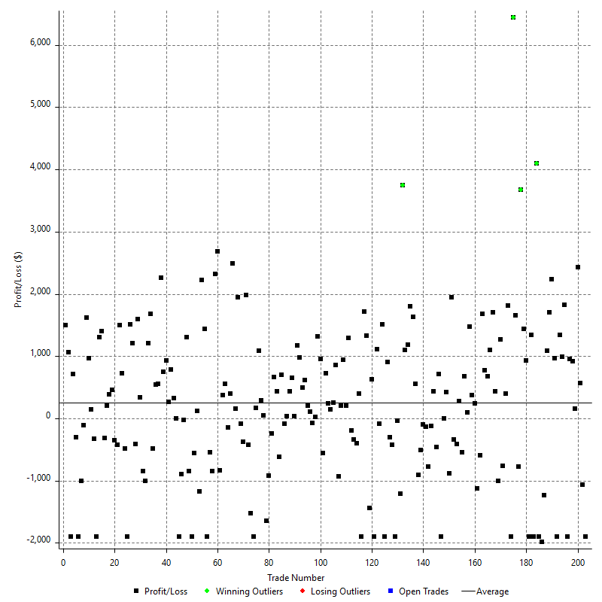

Winning Trades

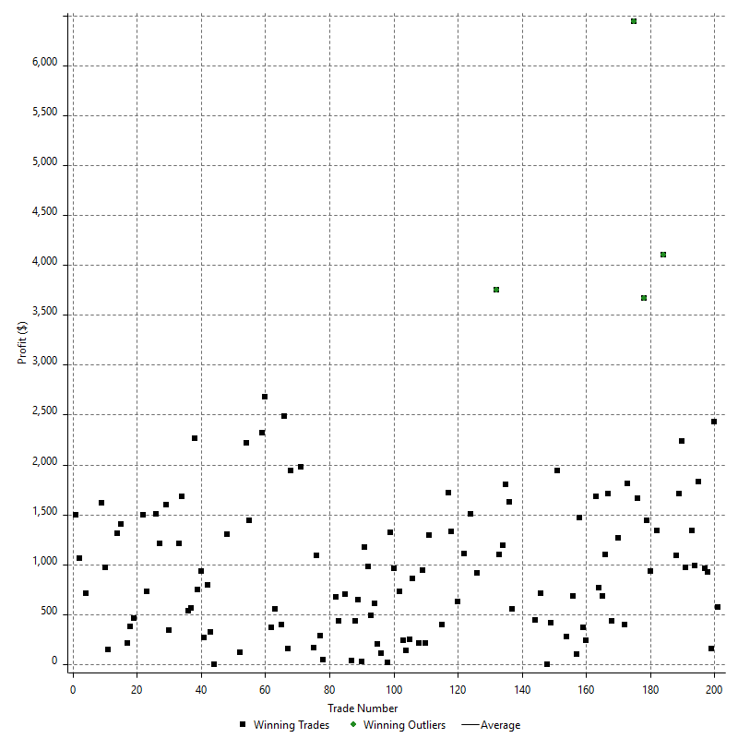

Losing Trades

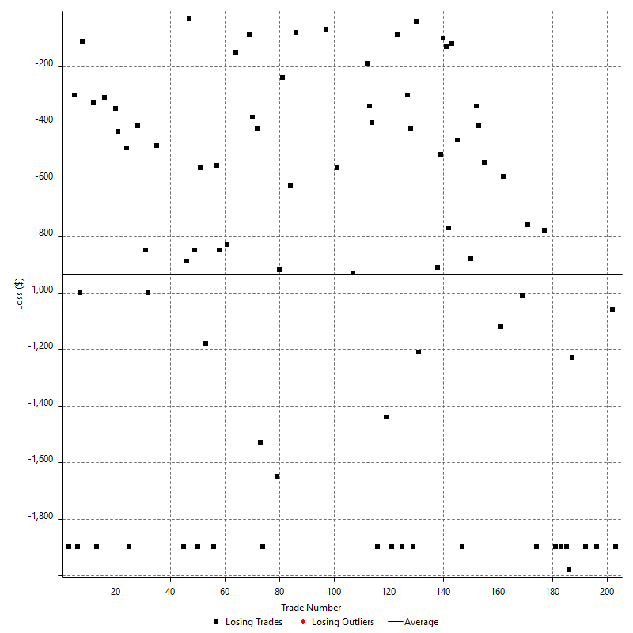

Drawdown

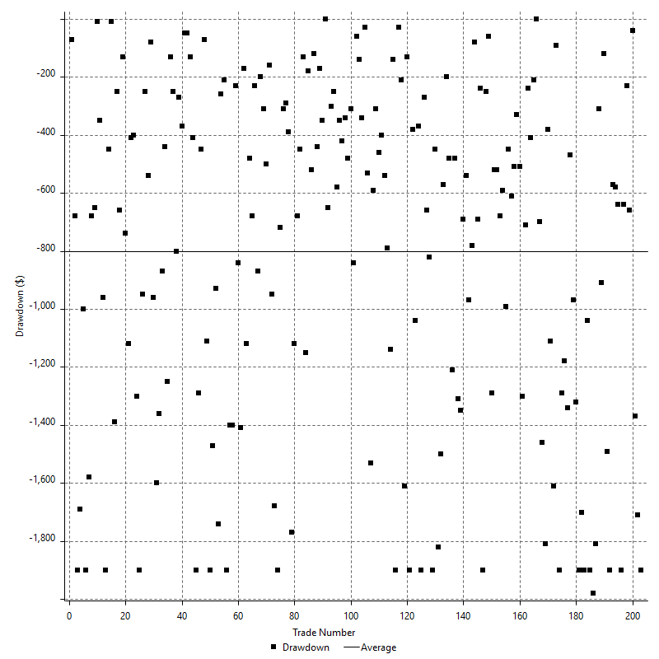

Drawdown P/L

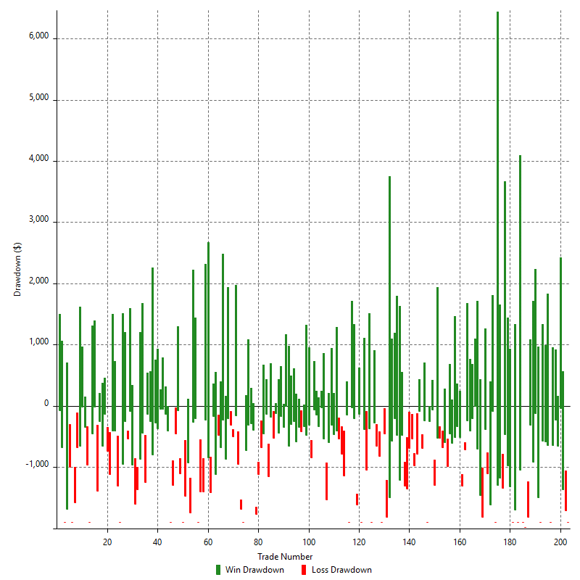

Maximum Adverse Excursion

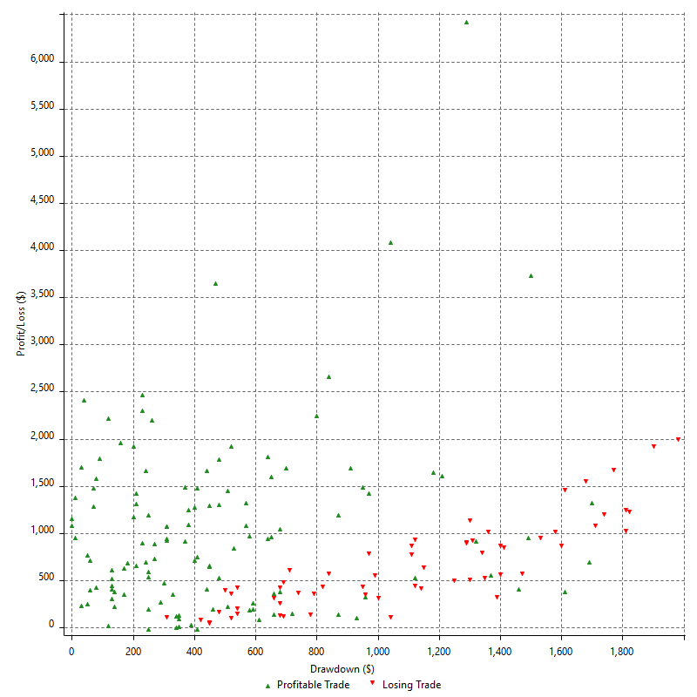

Maximum Adverse Excursion (%)

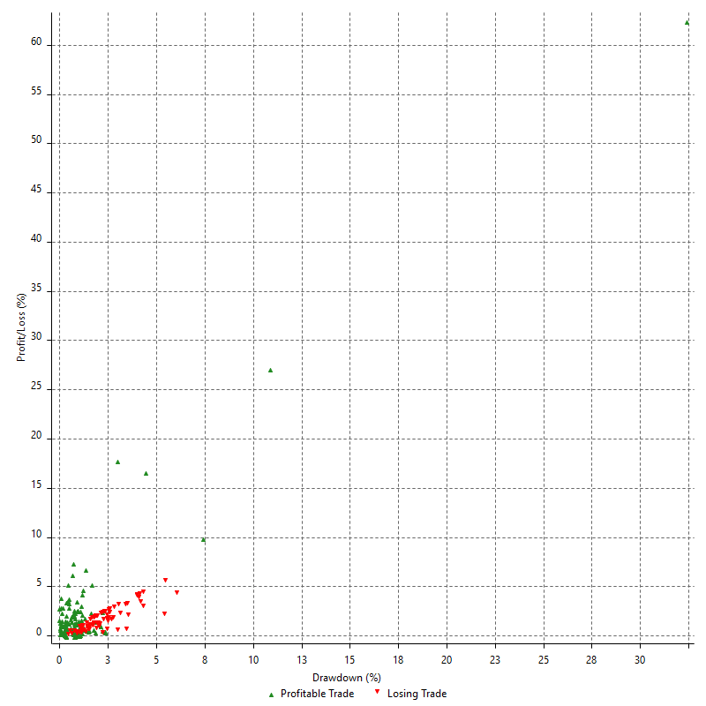

Run-up

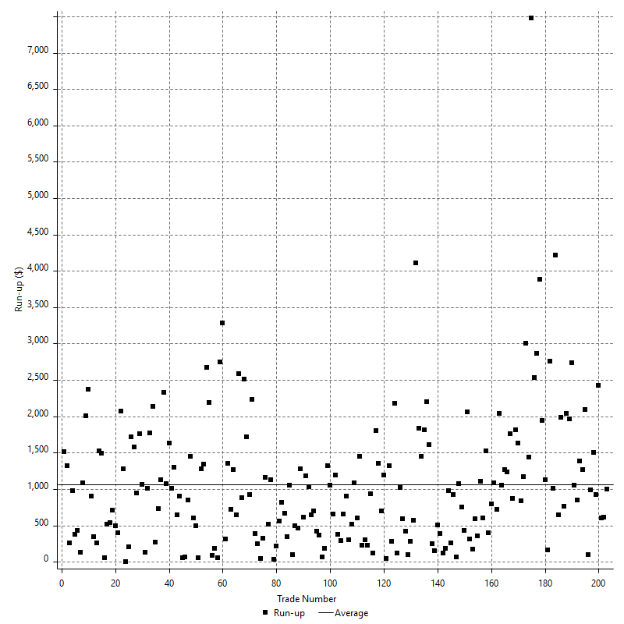

Run-up P/L

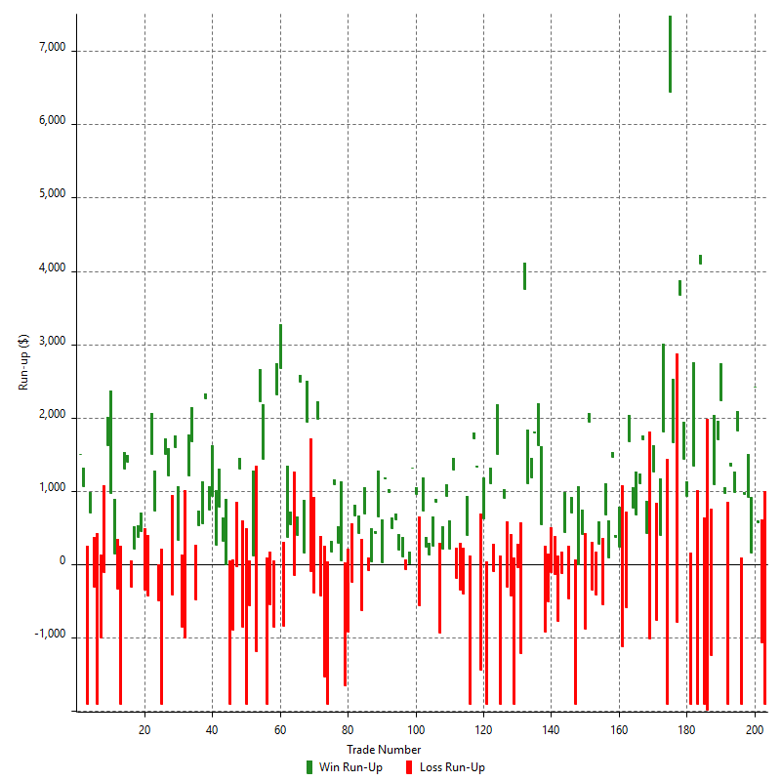

Maximum Favorable Excursion

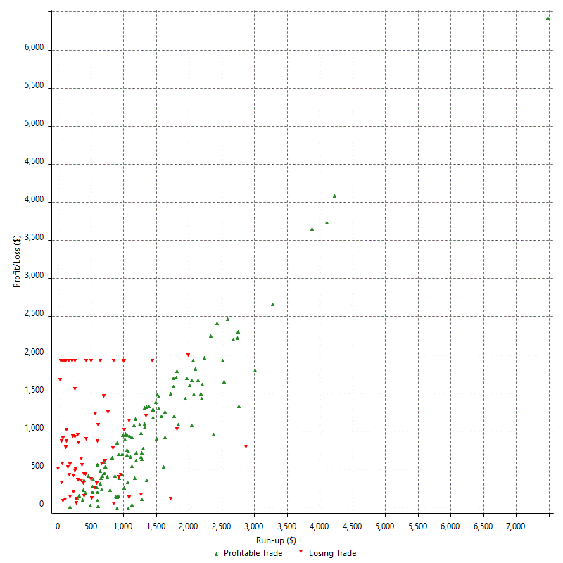

Maximum Favorable Excursion (%)

